sheet1
Online Induction Sys Testing
Agenda | Action | Remarks | Action Performed By
Without Password | Candidates are allowed to registered themselves without entering the password. |  | Defining Tech
Contact Number | No specified format. Invalid enteries |  | Defining Tech
Duplicate entries | there are number of duplicate entries that have roll number assigned by system | 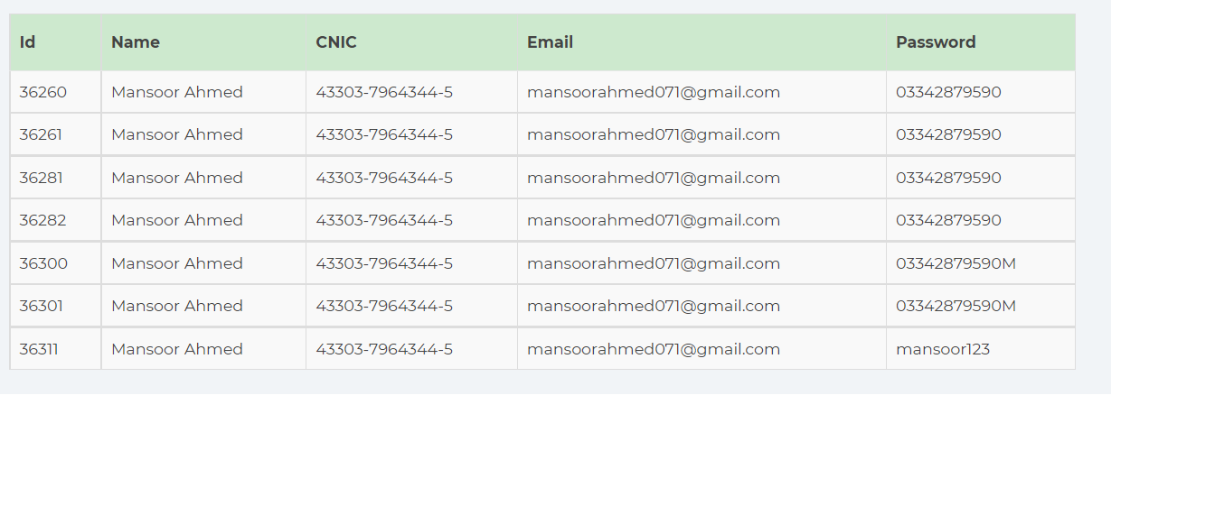 | Defining Tech
Without Uploading Form submission | This problem was highlighted before the induction goes live and resolved as well but now live induction facing this problem again and number of candidates affected because of this fault. |  | Defining Tech
Forgot password | Candidates forgot about their email address, so there should be last 2-3 digits displayed so that particular person could recall their email |  | Defining Tech
No picture on roll number slip | Maximum candidates found their roll number slip without picture | Roll Number slip | Defining Tech
Roll number slip Exam center name issue | If center name increases then it will overlap the name, kindly increase its pan size | Roll Number slip | Defining Tech
Roll number slip instructions | Kindly add point 5 and 6 inside the of above instructions box | Roll Number slip | Defining Tech
Dashboard Issue | Formatting issue of some candiates. E.g 61101-4786787-6 | 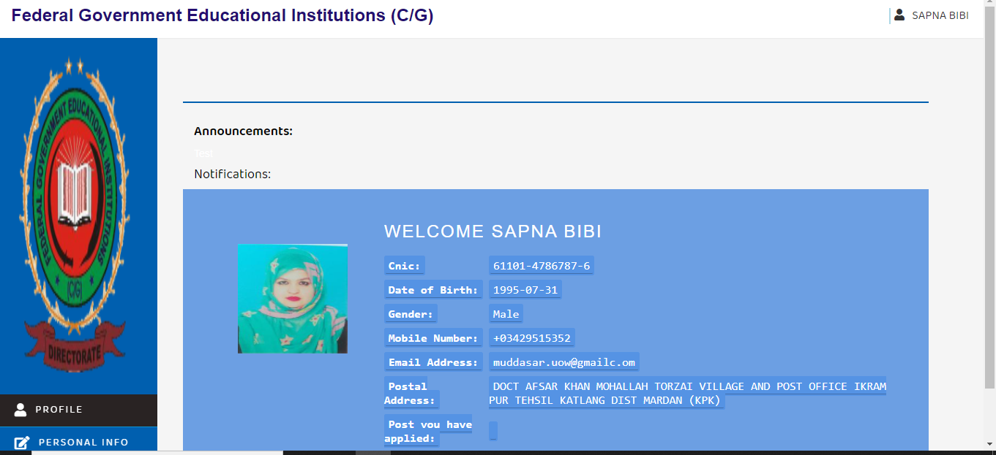 | Defining Tech
Application submitted sucessfully but now showing nil | 29 april 2021, App submitted without documents, identify by shahid sb then roll back by najam sb. Again submitted with documents and approved by aoi-1 but now system is showing nil. Cnic: 37301-8219461-5 , 71101-6130178-9 |  | Defining Tech
Search option should be provided and submitted atleast 10 records at a time |  |  | Defining Tech
Overwrite of excel sheet should be eliminated |  |  | Defining Tech
Add, Edit and delete option should be given to change the center allotment of candidate |  |  | Defining Tech

